Sheet1
CPU components | Name | Description | Manufacturer | Part Number | # of Channels | Unit Cost (Cut tape or Tube ) | Qty | Net Cost | Vendor link | Datasheet Link | Total cost

Edge Trigerred Flip Flop | NAND gate | 3 inputs | Texas Instrument | SN74HC10DR | 3 | 0.26 | 6 | 1.56 | https://www.digikey.com/en/products/detail/texas-instruments/SN74HC10DR/562995 | https://www.ti.com/lit/ds/symlink/sn54hc10.pdf | 0
 | NOT gate | EIGHT-CHANNEL 4.5V-TO-5.5V | Texas Instrument | SN74ACT240DW | 8 | 0.59 | 2 | 1.18 | https://www.digikey.com/en/products/detail/texas-instruments/sn74act240dw/1576068 | https://www.ti.com/lit/ds/symlink/sn74act240.pdf?ts=1712103363294 | 0
Full Adder | XOR gate | IC GATE XOR 4CH 2-INP 14SOIC | Texas Instrument | SN74HC86DR | 4 | 0.28 | 2 | 0.56 | https://www.digikey.com/en/products/detail/texas-instruments/SN74HC86DR/562916 | https://www.ti.com/lit/ds/symlink/sn74hc86.pdf | 0
 | OR gate | IC GATE OR 4CH 2-INP 14TSSOP | Texas Instrument | SN74LVC32APWR | 4 | 0.25 | 1 | 0.25 | https://www.digikey.com/en/products/detail/texas-instruments/SN74LVC32APWR/276879 | https://www.ti.com/lit/ds/scas286u/scas286u.pdf?ts=1755354879263 | 0
 | AND gate | IC GATE AND 4CH 2-INP 14SOIC | Texas Instrument | SN74HC7001DR | 4 | 1.91 | 2 | 3.82 | https://www.digikey.com/en/products/detail/texas-instruments/SN74HC7001DR/1571323 | https://www.ti.com/lit/ds/symlink/sn74hc7001.pdf?HQS=dis-dk-null-digikeymode-dsf-pf-null-wwe&ts=1755355344127&ref_url=https%253A%252F%252Fwww.ti.com%252Fgeneral%252Fdocs%252Fsuppproductinfo.tsp%253FdistId%253D10%2526gotoUrl%253Dhttps%253A%252F%252Fwww.ti.com%252Flit%252Fgpn%252Fsn74hc7001 | 0
8 bit Register (Qty. 21) | AND gate | IC GATE AND 4CH 2-INP 14SOIC | Texas Instrument | SN74HC7001DR | 4 | 1.91 | 16 | 30.56 | https://www.digikey.com/en/products/detail/texas-instruments/SN74HC7001DR/1571323 | https://www.ti.com/lit/ds/symlink/sn74hc7001.pdf?HQS=dis-dk-null-digikeymode-dsf-pf-null-wwe&ts=1755355344127&ref_url=https%253A%252F%252Fwww.ti.com%252Fgeneral%252Fdocs%252Fsuppproductinfo.tsp%253FdistId%253D10%2526gotoUrl%253Dhttps%253A%252F%252Fwww.ti.com%252Flit%252Fgpn%252Fsn74hc7001 | 0
 | OR gate | IC GATE OR 4CH 2-INP 14TSSOP | Texas Instrument | SN74LVC32APWR | 4 | 0.25 | 8 | 0 | https://www.digikey.com/en/products/detail/texas-instruments/SN74LVC32APWR/276879 | https://www.ti.com/lit/ds/scas286u/scas286u.pdf?ts=1755354879263 | 0 |  | 8bit Register parts
 | Tri-state Buffer | Buffers & Line Drivers Mil Enhance Octal Bu ffers/Drivers | Texas Instrument | SN74ACT244IDWREP | 8 | 3.69 | 8 | 0 | https://www.mouser.com/ProductDetail/Texas-Instruments/SN74ACT244IDWREP?qs=UFeyouyReuH9zLpoSmu6tw%3D%3D | https://www.ti.com/lit/ds/symlink/sn74act244-ep.pdf?ts=1755297549244 | 0 |  | Part | input count | Qty
 | NOT gate | EIGHT-CHANNEL 4.5V-TO-5.5V | Texas Instrument | SN74ACT240DW | 8 | 0.59 | 1 | 0.59 | https://www.digikey.com/en/products/detail/texas-instruments/SN74ACT240DGSR/22539638 | https://www.ti.com/lit/ds/symlink/sn74act240.pdf?ts=1712103363294 | 0 |  | AND | 2 | 16
 | Edge trig. Flip flop |  |  |  |  |  | 8 | 0 |  |  |  |  | AND | 4 | 0
 | LED | for status |  |  |  |  | 8 | 0 |  |  |  |  | NOT | 1 | 17
Random Access Memorie (RAM) | NOT gate | EIGHT-CHANNEL 4.5V-TO-5.5V | Texas Instrument | SN74ACT240DW | 8 | 0.59 | 4 | #REF! | https://www.digikey.com/en/products/detail/texas-instruments/sn74act240dw/1576068 | https://www.ti.com/lit/ds/symlink/sn74act240.pdf?ts=1712103363294 | 0 |  | NOR | 8 | 0
 | AND gate | IC GATE AND 4CH 2-INP 14SOIC | Texas Instrument | SN74HC7001DR | 4 | 1.91 | 32 | #REF! | https://www.digikey.com/en/products/detail/texas-instruments/SN74HC7001DR/1571323 | https://www.ti.com/lit/ds/symlink/sn74hc7001.pdf?HQS=dis-dk-null-digikeymode-dsf-pf-null-wwe&ts=1755355344127&ref_url=https%253A%252F%252Fwww.ti.com%252Fgeneral%252Fdocs%252Fsuppproductinfo.tsp%253FdistId%253D10%2526gotoUrl%253Dhttps%253A%252F%252Fwww.ti.com%252Flit%252Fgpn%252Fsn74hc7001 | 0 |  | NAND | 3 | 48
 | AND gate | IC GATE AND 2CH 4-INP 14TSSOP | Texas Instrument | SN74HC21PWR | 2 | 0.32 | 16 | 5.12 | https://www.digikey.com/en/products/detail/texas-instruments/SN74HC21PWR/603203 | https://www.ti.com/lit/ds/symlink/sn74hc21.pdf?HQS=dis-dk-null-digikeymode-dsf-pf-null-wwe&ts=1755313387308&ref_url=https%253A%252F%252Fwww.ti.com%252Fgeneral%252Fdocs%252Fsuppproductinfo.tsp%253FdistId%253D10%2526gotoUrl%253Dhttps%253A%252F%252Fwww.ti.com%252Flit%252Fgpn%252Fsn74hc21 | 0 |  | OR | 2 | 8
 | 8-bit Register |  |  |  |  |  | 16 | 0 |  |  |  |  | XOR | 2 | 0
 | LED | for status |  |  |  |  | 8 | 0 |  |  |  |  | Tristate buff | N/A | 8
Micro Instruction Register | NOT gate | EIGHT-CHANNEL 4.5V-TO-5.5V | Texas Instrument | SN74ACT240DW | 8 | 0.59 | 1 | 0.59 | https://www.digikey.com/en/products/detail/texas-instruments/sn74act240dw/1576068 | https://www.ti.com/lit/ds/symlink/sn74act240.pdf?ts=1712103363294 | 0 |  | LED | N/A | 8
 | Edge trig. Flip flop |  |  |  |  |  | 4 | 0
 | LED | for status |  |  |  |  | 4 | 0
Program Counter | NOT gate | EIGHT-CHANNEL 4.5V-TO-5.5V | Texas Instrument | SN74ACT240DW | 8 | 0.59 | 4 | 2.36 | https://www.digikey.com/en/products/detail/texas-instruments/sn74act240dw/1576068 | https://www.ti.com/lit/ds/symlink/sn74act240.pdf?ts=1712103363294 | 0
 | AND gate | IC GATE AND 4CH 2-INP 14SOIC | Texas Instrument | SN74HC7001DR | 4 | 1.91 | 9 | 17.19 | https://www.digikey.com/en/products/detail/texas-instruments/SN74HC7001DR/1571323 | https://www.ti.com/lit/ds/symlink/sn74hc7001.pdf?HQS=dis-dk-null-digikeymode-dsf-pf-null-wwe&ts=1755355344127&ref_url=https%253A%252F%252Fwww.ti.com%252Fgeneral%252Fdocs%252Fsuppproductinfo.tsp%253FdistId%253D10%2526gotoUrl%253Dhttps%253A%252F%252Fwww.ti.com%252Flit%252Fgpn%252Fsn74hc7001 | 0
 | OR gate | IC GATE OR 4CH 2-INP 14TSSOP | Texas Instrument | SN74LVC32APWR | 4 | 0.25 | 4 | 1 | https://www.digikey.com/en/products/detail/texas-instruments/SN74LVC32APWR/276879 | https://www.ti.com/lit/ds/scas286u/scas286u.pdf?ts=1755354879263 | 0
 | Tri-state Buffer | Buffers & Line Drivers Mil Enhance Octal Bu ffers/Drivers | Texas Instrument | SN74ACT244IDWREP | 8 | 3.69 | 4 | 14.76 | https://www.mouser.com/ProductDetail/Texas-Instruments/SN74ACT244IDWREP?qs=UFeyouyReuH9zLpoSmu6tw%3D%3D | https://www.ti.com/lit/ds/symlink/sn74act244-ep.pdf?ts=1755297549244 | 0
 | Edge trig. Flip flop |  |  |  |  |  | 4 | 0
 | LED | for Status |  |  |  |  | 4 | 0
Arithmetic Logic Unit (ALU) | XOR gate | IC GATE XOR 4CH 2-INP 14SOIC | Texas Instrument | SN74HC86DR | 4 | 0.28 | 8 | 2.24 | https://www.digikey.com/en/products/detail/texas-instruments/SN74HC86DR/562916 | https://www.ti.com/lit/ds/symlink/sn74hc86.pdf | 0
 | Tri-state Buffer | Buffers & Line Drivers Mil Enhance Octal Bu ffers/Drivers | Texas Instrument | SN74ACT244IDWREP | 8 | 3.69 | 8 | 29.52 | https://www.mouser.com/ProductDetail/Texas-Instruments/SN74ACT244IDWREP?qs=UFeyouyReuH9zLpoSmu6tw%3D%3D | https://www.ti.com/lit/ds/symlink/sn74act244-ep.pdf?ts=1755297549244 | 0
 | NOR gate | Logic Gates CMOS 8-Input NOR | Texas Instrument | CD4078BPWRE4 | 1 | 0.46 | 1 | 0.46 | https://www.mouser.com/ProductDetail/Texas-Instruments/CD4078BPWRE4?qs=HTr%252BoA4jRim%2FNX8Cvm8fSA%3D%3D | https://www.ti.com/lit/gpn/cd4078b | 0
 | Full Adder |  |  |  |  |  | 8 | 0
Clock |  |  |  |  |  |  |  | 0
 |  |  |  |  |  |  |  | 0
 |  |  |  |  |  |  |  | 0
 |  |  |  |  |  |  |  | 0
 |  |  |  |  |  |  |  | 0
 |  |  |  |  |  |  |  | 0
 |  |  |  |  |  |  |  | 0
 |  |  |  |  |  |  |  | 0
 |  |  |  |  |  |  |  | 0
 |  |  |  |  |  |  |  | 0
 |  |  |  |  |  |  |  | 0
 |  |  |  |  |  |  |  | 0
 |  |  |  |  |  |  |  | 0
 |  |  |  |  |  |  |  | 0
 |  |  |  |  |  |  |  | 0
 |  |  |  |  |  |  |  | 0
Power |  |  |  |  |  |  |  | 0
 |  |  |  |  |  |  |  | 0
 |  |  |  |  |  |  |  | 0
 |  |  |  |  |  |  |  | 0
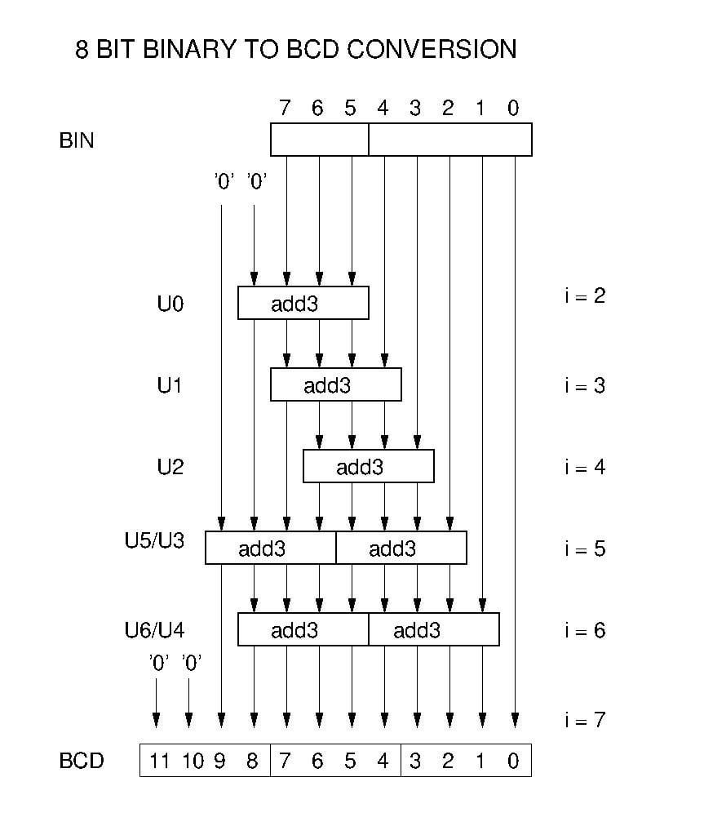
 |  |  |  |  |  |  |  | 0
 |  |  |  |  |  |  |  | 0
 |  |  |  |  |  |  |  | 0
 |  |  |  |  |  |  |  | 0
 |  |  |  |  |  |  |  | 0
 |  |  |  |  |  |  |  | 0
 |  |  |  |  |  |  |  | 0
 |  |  |  |  |  |  |  | 0
 |  |  |  |  |  |  |  | 0
 |  |  |  |  |  |  |  | 0
 |  |  |  |  |  |  |  | 0
Control Unit |  |  |  |  |  |  |  | 0
 |  |  |  |  |  |  |  | 0
 |  |  |  |  |  |  |  | 0
 |  |  |  |  |  |  |  | 0
 |  |  |  |  |  |  |  | 0
 |  |  |  |  |  |  |  | 0
 |  |  |  |  |  |  |  | 0
 |  |  |  |  |  |  |  | 0
 |  |  |  |  |  |  |  | 0
 |  |  |  |  |  |  |  | 0
 |  |  |  |  |  |  |  | 0
 |  |  |  |  |  |  |  | 0
 |  |  |  |  |  |  |  | 0
 |  |  |  |  |  |  |  | 0
Fundamental Elements

 | Note: Unless otherwise mentionned, all gates are assumed to have 2 inputs or 1 inputs for NOT gates
 | Double Dabble conditoinal adder rule: If input >= 5, then add 3

8bit Register | 16 AND | 8 OR | 8 tri-state Buffer | 1 NOT |  | 8 Edge trig. Filp flop |  | 8 LED (for status)
 |  |  |  |  |  | 6 NAND (3 inputs) | 2 NOT

ALU | 8 XOR | 8 tri-state Buffer | 1 NOR ( 8 inputs) | 8 Full Adder
 |  |  |  | 2 XOR |  | 2 AND | 1 OR

RAM | 4 NOT | 32 AND | 16 AND (4 inputs) | 16 8bit Register |  | 8 LED (for status)

Program Counter | 4 NOT | 9 AND | 4 OR | 4 Tri-state Buffer |  | 4 Edge trig. Flip flop |  | 4 LED (for status)
 |  |  |  |  |  | 6 NAND (3 inputs) | 2 NOT

3 Seven Segment Display | 1 BCD Convertor(Double Dabble Algorithm) |  |  |  |  | 3 Seven Segment Display | 3 Seven Segment driver
 | 9 Double Dabble shifter (conditional adder) |  |  |  |  |  | 5 NOT | 1 AND | 10 OR | 2 OR (4 inputs) | 1 OR (5 inputs) | 21 AND (4 inputs)
 | 3 XOR | 4 NOR | 1 OR | 1 AND

Micro Instruction Counter | 1 NOT | 4 Edge trig. Flip flop |  | 4 LED (for status)
 |  | 6 NAND (3 inputs) | 2 NOT

Programming/Run | 4bit dip switch | 8-bit dip switch | 1 push button | 2 LED |  | 1 dip switch | 1 NOT | 15 OR | 30 AND
 | to select address | to put data in address | to load data to RAM | for PROG/RUN status |  | to select PROG/RUN Mode

